INSTRUCTIONS
FRINGE ESTIMATOR INSTRUCTIONS

Percentage Paid by Grant: If the grant is fully funding the cost of salary/fringes, enter 100.

IMPORTANT: If the grant is partially funding the cost of salary/fringes, enter the percentage that the grant is funding. The partial salary amount will populate automatically.

Click here to return to Fringe Estimator


Select Grant Type: Choose Regular Non-Federal or Federal. If you are unsure whether the grant is federal or not, a good rule of thumb is that if the project begins with a number other than 0 or 1, it is most likely a federal grant.

Select Job Type: Choose Classified or Certified

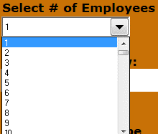
Select # of Employees: Choose number of employees for which you need to estimate fringes. IMPORTANT: If you are estimating fringes for stipend pay or extended time, ALWAYS choose "1" for the number of employees.
Click here to return to Fringe Estimator

Enter Salary: Enter the total salary amount for the number of employees chosen in step 4. IMPORTANT: For full-time/part-time positions that are being partially funded by the grant, enter the full-time/part-time salary amount - NOT the partially funded salary amount. If estimating for stipend pay or extended time, enter the total amount that will be paid.

 |  | 

Select Position Type: Select one of the certified or classified position types listed in the box. Make sure that the position type selected matches the job type chosen in step 3.
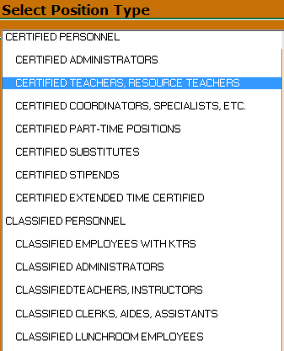
IT IS VERY IMPORTANT TO CHOOSE THE CORRECT POSITION TYPE IN ORDER FOR FRINGES TO CALCULATE CORRECTLY.

Click here to return to Fringe Estimator

FRINGE CALCULATION
Fringes will calculate in the box to the right of the input section. If the Job Type and Position Type
do not match, the following error message will be displayed:


 |  |  | You will need to change either the Job Type or position type in order for fringes to calculate correctly.

Click here to return to Fringe Estimator

FREQUENTLY ASKED QUESTIONS

Q. Why has the fringe calculator changed?
A. So that it will be more accurate and user friendly!

Q. How can I tell if the grant is Federal or Non-Federal.
A. A good rule of thumb is that if the project number begins with a number other than 0 or 1,
it is most likely a federal grant.
You can always call Financial Planning at 485-3438 if you are unsure. We are glad to help.

Q. The drop down box for number of employees does not allow for partial positions.
If I have a split-funded position, how do I determine the amount of fringes to charge?
A. For split funded positions you will enter the percentage to be charged to the grant on the
Data Input tab. See Step 1 above.

Q. The grant is paying for a part-time position. What percentage do I input in Step 1?
A. If the grant is paying 100% of the part-time salary, then input 100. If the grant is only partially
funding the position, then input the percentage that the grant is paying.

Click here to return to Fringe Estimator

COMMON "CLASSIFIED WITH KTRS" POSITIONS

8250-8251 | COORDINATOR FRYSC/YSC
8011 | ERSEA COORDINATOR
8256 | FAMILY SERVICES SPECIALIST
8503 | HEALTH SERVICES NURSE PRACTITIONER
8229 | MENTAL HEALTH COUNSELOR
8114 | REGISTERED NURSE
8774 -8775 | SCHOOL SOCIAL WORKER
VARIOUS | INSTRUCTOR III
8768 | CAREER PLANNER
8126 | AUDIOLOGIST
8163 | ADULT ED INSTRUCTOR II PT

Financial Planning Contact Info
400-3438 or 485-3438

CLICK TO RETURN TO TOP OF PAGE

FRINGE ESTIMATOR
Instructions | FRINGE ESTIMATOR |  | Fund Source / Program: |  | Project #
FAQ | FY 2023-24 (Rev 1/6/23) |  | School / Employee: |  | Other:
Contact Us |  |  | Notes:
 | ENTER % OF SALARY/FRINGES FUNDED BY THE GRANT --------->> | 100% | ESTIMATED FRINGES FOR SELECTED NON-FEDERAL CERTIFIED POSITION |  | FRINGES @
CLICK BLUE NUMBER FOR HELP
WITH STEP
 | Select Grant Type | Partial Salary Amt, if applicable | MUNIS OBJECT | FRINGE CATEGORY | 100%
 |  | $0 | 0211 | Life Insurance | 0.00 | OK

 | Select Job Type |  | 0213 | Liability Insurance | 0.00

 |  |  | 0215 | Long Term Disability | 0.00
 | Select # of Employees (select 1 for stipend or extended time)
 |  |  | 0221 | FICA | 0.00

 | Enter Salary Below: (enter full salary amount) |  | 0222 | Medicare Match | 0.00

 |  |  | 0231 | KTRS | 0.00
 | Select Position Type
 |  |  | 0232 | CERS | 0.00

 |  |  | 0253 | Unemployment | 0.00

 |  |  | 0260 | Workers Compensation | 0.00

 |  |  | 0294 | Federal Health Insurance | 0.00
 |  |  | 0295 | Federal State Life Insurance | 0.00
 |  |  | 0296 | Federal State Administrative Fee | 0.00

Click here for list of common "Classified with KTRS" positions
 |  |  |  | FRINGE TOTAL | 0.00

 |  |  |  | SALARY + FRINGES | 0.00

 |  |  | Grants are responsible for actual charges for all fringe benefits even if the
 |  |  | actual cost exceeds the estimates.

